Sheet1
 | answer | link | others
What is crud | In computer programming, create, read, update, and delete (CRUD) are the four basic operations of persistent(持久化) storage The use case of CRUD include databases(SQL), API(Restful Api), User Interface | https://en.wikipedia.org/wiki/Create,_read,_update_and_delete

What is rest architecture | Architectural properties: 1. The REST architectural style is designed for network-based applications, specifically client-server applications. the coupling between the user agent (client) and the origin server must be as loose as possible to facilitate large-scale adoption. | https://en.wikipedia.org/wiki/REST | 1.What is Rest: REST (representational state transfer) is a software architectural style that was created to guide the design and development of the architecture for the World Wide Web. 2.What is restful: An application that adheres to the REST architectural constraints may be informally described as RESTful
 | 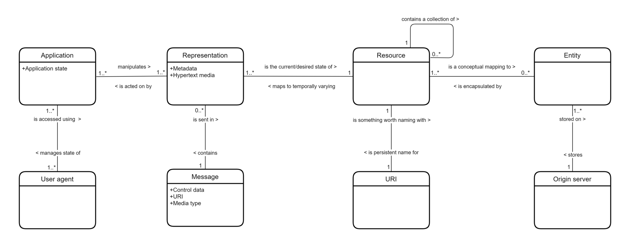 |  | Characteristic: The REST architectural style emphasises uniform interfaces, independent deployment of components, the scalability of interactions between them, and creating a layered architecture to promote caching to reduce user-perceived latency, enforce security, and encapsulate legacy systems.[1]
 | 1.Client-server architecture - Client are separated from servers by a well-defined interface, e.g. browsers and crawlers, separate from data storage. Clients make requests to servers and receive responses. 2.Stateless - A specific client does not consume server storage when it is "at rest" 3.Cache - Responses indicate their own cacheability 4.Uniform Interface: A central feature of REST is a set of interfaces between clients and servers. These 4 interfaces listed include resources 5.Layered System - A set of hierarchical layers restricts components to interact only with the adjacent layer. For example, a 4-tier architecture has the client layer, web server layer, API layer with caching, and data layer. Each of these interact with their adjacent layers. Intermediaries can include load balancers, proxies, and security. 6.Code on Demand (optional) - Clients can download and execute code in the form of scripts.
 | The constraints of the REST architectural style affect the following architectural properties: 1.Performance in component interactions, which can be the dominant factor in user-perceived performance and network efficiency; 2.Scalability allowing the support of large numbers of components and interactions among components; 3.Simplicity of a uniform interface; 4.Modifiability of components to meet changing needs (even while the application is running); 5.Visibility of communication between components by service agents; 6.Portability of components by moving program code with the data; 7.Reliability in the resistance to failure at the system level in the presence of failures within components, connectors, or data.
Rest API implementation | refers to the process of creating an API following the principles of REST (Representational State Transfer). REST is an architectural style for designing networked applications, emphasizing a stateless client-server communication model using standard HTTP methods (GET, POST, PUT, DELETE, etc.) and uniform resource identifiers (URIs) to interact with resources. |  | 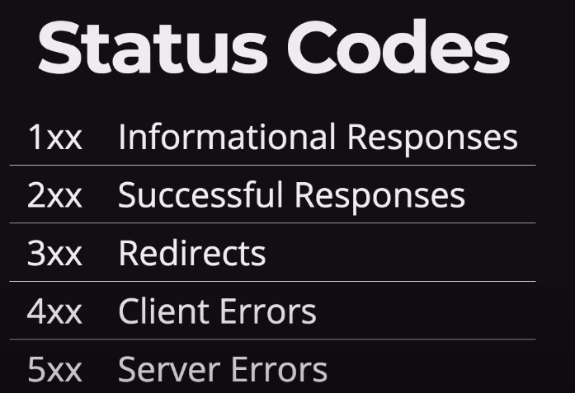
What is graphql architecture | GraphQL architecture is a query language and runtime environment for building APIs, developed by Facebook and open-sourced in 2015. Compared to traditional REST architecture, GraphQL offers more flexibility and powerful data querying capabilities.
 | Schema: The core of a GraphQL API is its type system, defining the data structures that can be queried. The schema consists of types, queries, and mutations. Types describe the data model, queries define the requests clients can make, and mutations define operations for writing or modifying data. Resolvers: Resolvers are functions responsible for handling client queries and returning the corresponding data. Each field in the schema has a corresponding resolver, which retrieves data from a data source and formats the result. Query: Queries are the way clients request data from a GraphQL server. Clients can specify the fields they want in the response, and the server executes the corresponding resolvers to fetch the data. Mutation: Mutations are used to perform write or modification operations on data. Similar to queries, mutations are defined in the schema and initiated by the client. Subscription: Subscriptions allow clients to subscribe to events on the server and receive real-time updates. Subscriptions are commonly used for implementing features like real-time chat and live data updates Execution Engine: The execution engine on the GraphQL server is responsible for parsing client queries and invoking the appropriate resolvers to fetch data. It also handles query validation, optimization, caching, and other tasks.
Graphql implementation | Only graphQL have query
Rest vs graphql comparison | 1.The biggest difference between GraphQL and REST is how data is sent to the client. In a REST architecture, the client makes an HTTP request and data is sent as an HTTP response, while in GraphQL, the client requests data with queries. 2.in REST, the structure of the request object is defined on the server. In GraphL, you define the object on the client. 3. It’s important to keep in mind that GraphQL is an alternative to REST for developing APIs, not a replacement. | https://www.youtube.com/watch?v=F0_pkxQMZnc
In which cases rest is better than graph/Rest usecases | what if a client sends a query asking for many fields and resources? 1. For complex queries, a REST API might be easier to design because you can establish multiple endpoints for specific needs, and you can fine-tune specific queries to efficiently retrieve the data. If you're not careful, a few big queries can bring your server down dramatically. 2. REST can do much of what GraphQL does, The main benefit of using GraphQL is the ability to send a query that specifies only the information you need and receive exactly that. However, you can achieve this same effect using REST, by passing the name of the fields you want to use in the URL, and then implementing the logic for parsing and returning the data yourself(by JSON API libraries, Odata) There are many valid alternatives, especially for small applications and projects where using GraphQL might be overkill. 3. GraphQL complicates some tasks:Using GraphQL in a simple application is not recommended. For example, in an application that uses a few fields the same way each time, using GraphQL adds more complexity because of things like types, queries, mutators, resolvers, and higher-order components. It increase the respond time | https://blog.logrocket.com/graphql-vs-rest-api-why-you-shouldnt-use-graphql/ | 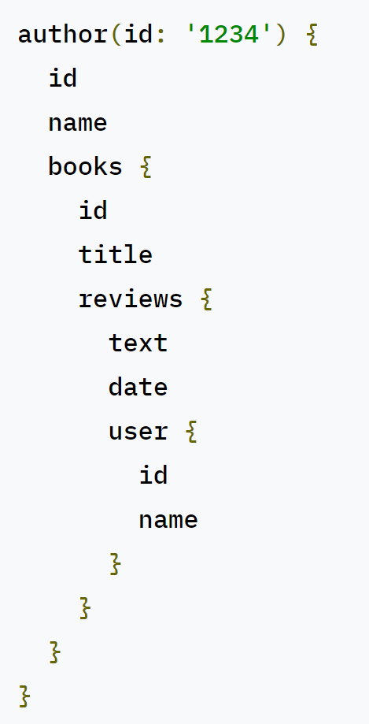 not work for graphQL
In which cases graph is better than rest/graphql usecases | GraphQL is an excellent solution to a unique problem around building and consuming APIs. 1. Data fetching control: GraphQL was designed to allow the client to ask for only the data it needs. 2. Using multiple data sources: GraphQL simplifies the task of aggregating data from multiple sources or APIs and then resolving the data to the client in a single API call. On the other hand, API technologies like REST would require multiple HTTP calls to access data from multiple sources. 3. Alleviating bandwidth concerns: Bandwidth is a problem for small devices like mobile phones, smartwatches, and IoT devices that are not able to handle large amounts of data. Using GraphQL helps minimize this issue. 4. Rapid prototyping: GraphQL exposes a single endpoint that allows you to access multiple resources. In addition, resources are not exposed according to the views that you have inside your app. For example, if your UI changes, requiring either more or less data, it doesn’t have an impact or require changes from the server.

